Sheet1
 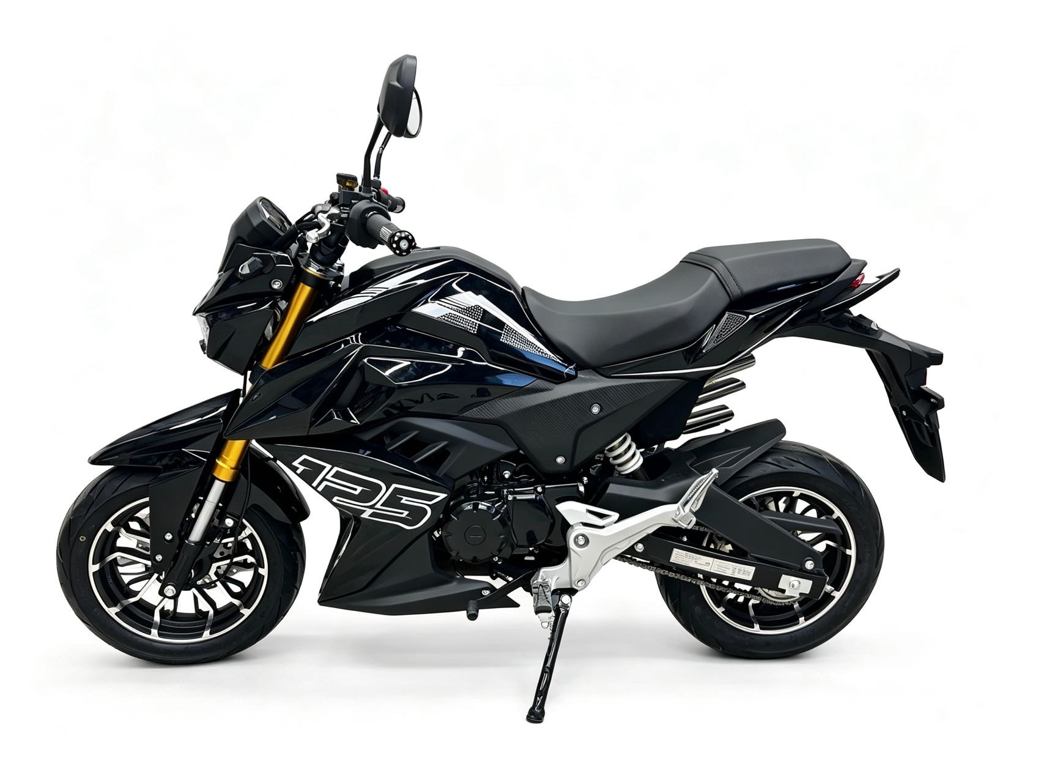 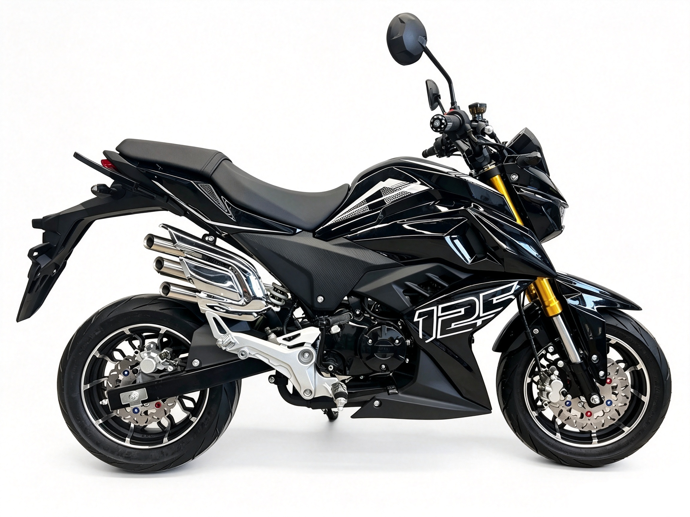 Specification of TOMA125

Engine Type | Single cylinder,wind-cooled,Four-stroke | 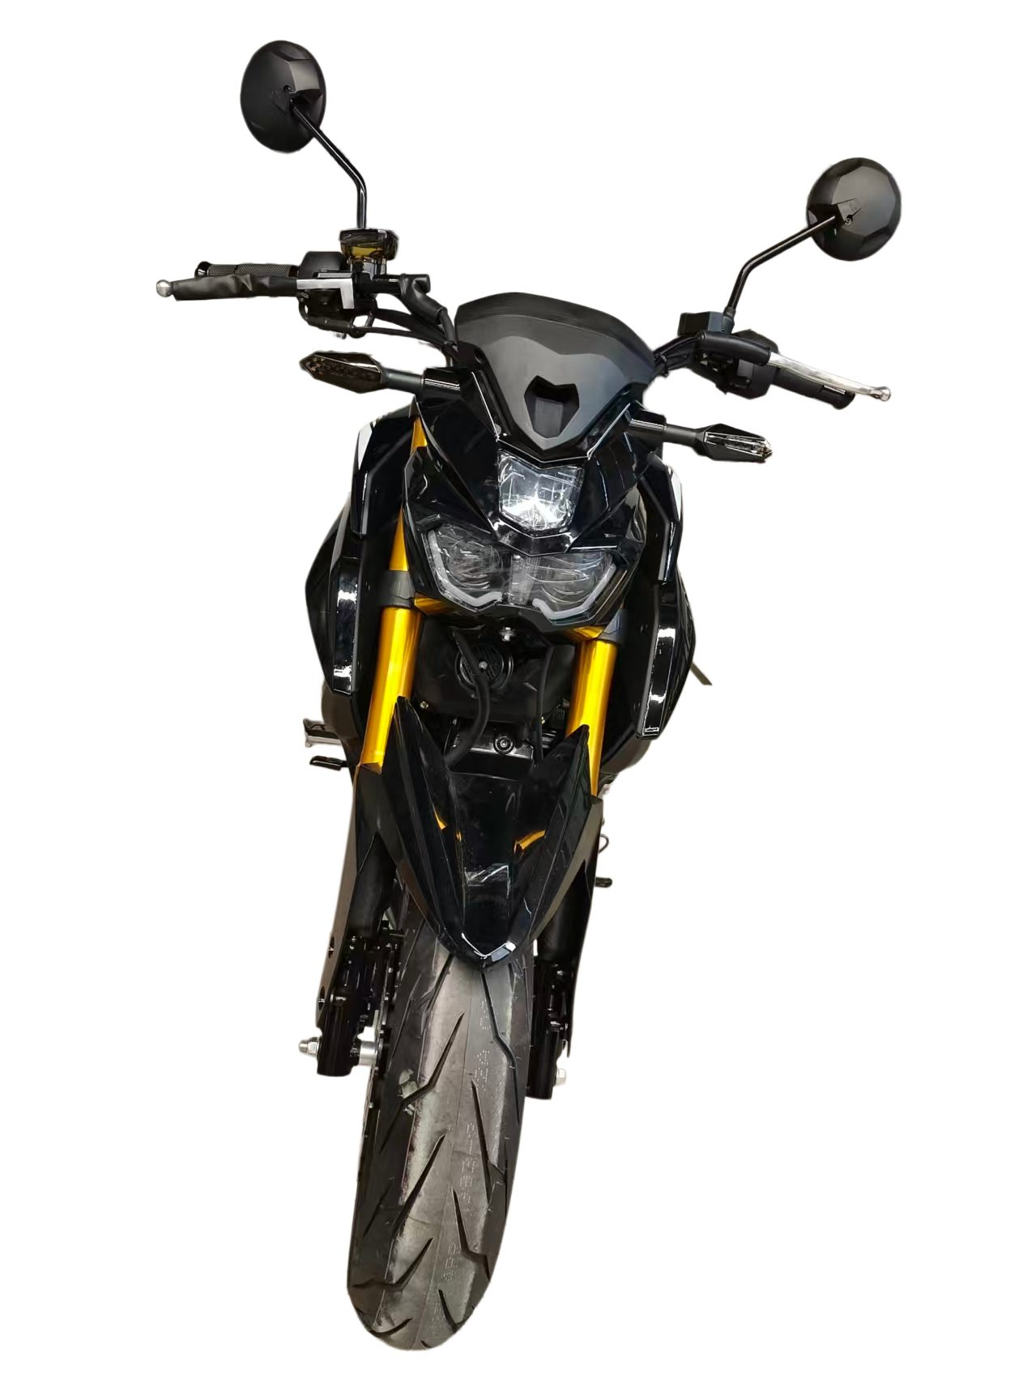
Displacement(ml) | 124
Bore X Stroke(mm): | 54×54
Compression Ratio | 8.8：1
Max. Power(kw/r/min) : | 6.2/7500
Max. Torque (N.m/r/min): | 9.2/5500
Max. Speed(Km/h): | 85
Clutch Type | Multiplate wet clutch, Manual
Ignition | CDI
Starting System | Electric/Kick start | 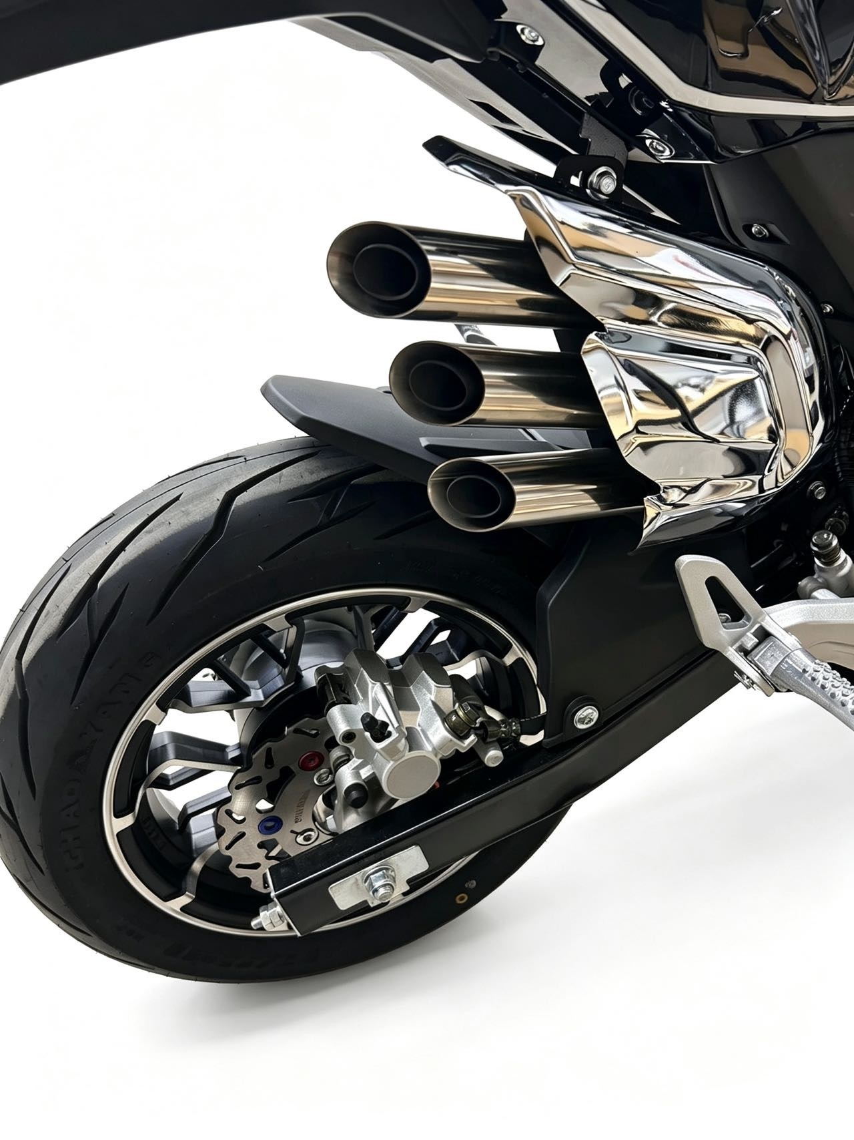
Transmission System | Chain drive
Dimiensions(mm): | 1760×755×1010
Seat Height(mm): | 765
Wheelbase(mm): | 1200
Ground Clearance(mm): | 165
Max.load(kg): | 150
Dry. Weigth (kg): | 105 | 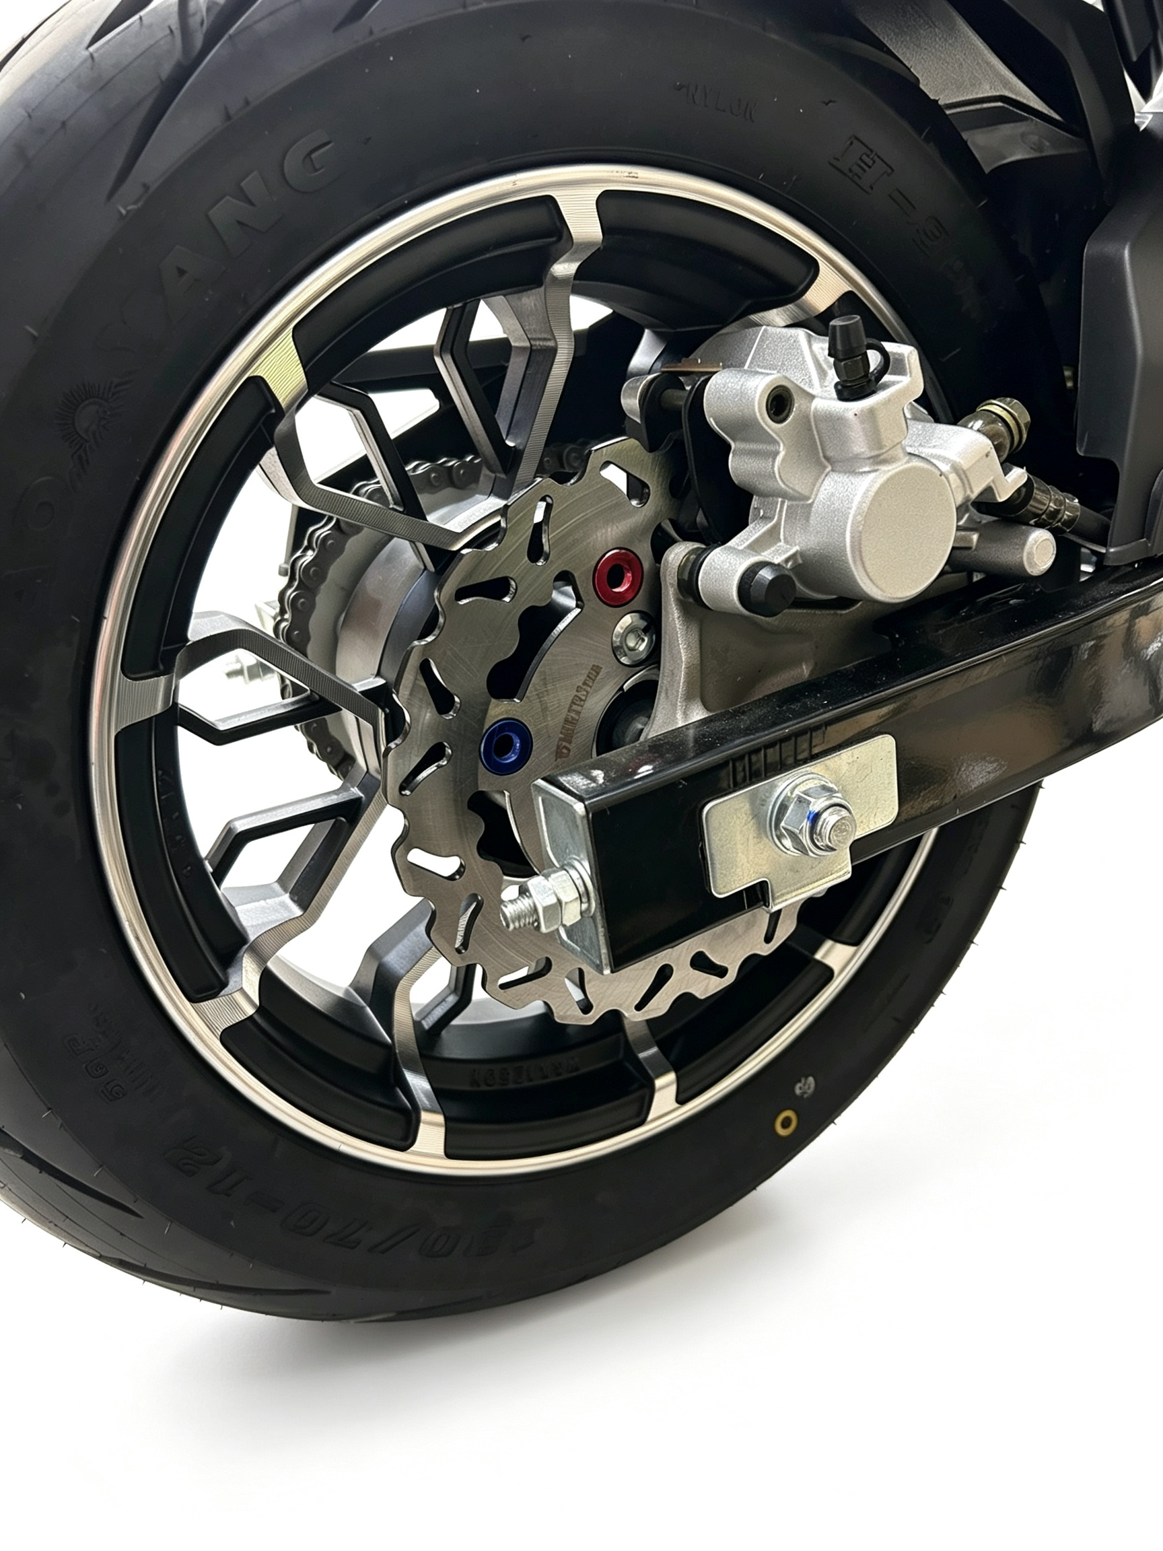
Engine Oil(L): | 1
Fuel Tank Capacity (L): | 5.5
Front/Rear Brake | Disc
Front/Rear Tire(mm): | 120/70-12 130/70-12
Battery | 12V5Ah
Packing Size (mm): | 1650×460×870
Packing Weight (kg): | 122
Container Loading（40HQ） | CBU:105 units

